Sheet1
100%PV, 4 AC land |  |  | 60% Panel for 4 acreage of land |  | 70% Panel for 4 acreage of land |  | 100% Panel for 4 acreage of land Tomato |  | 100% Panel for 4 acreage of land Straberry | 40% Panel for 4 acreage of land Straberry | 40% Panel for 4 acreage of land Tomato | 30% Panel for 4 acreage of land Straberry | 30% Panel for 4 acreage of land Tomato
land sq ft | 174,240 |  | land sq ft | 104,544 | land sq ft | 121,968 | land sq ft | 174,240 | land sq ft | land sq ft | land sq ft | land sq ft | land sq ft
panel length(ft) | 7.75 |  | panel length(ft) | 7.75 | panel length(ft) | 7.75 | panel length(ft) | 0 | panel length(ft) | panel length(ft) | panel length(ft) | panel length(ft) | panel length(ft)
panel width (ft) | 3.5 |  | panel width (ft) | 3.5 | panel width (ft) | 3.5 | panel width (ft) | 0 | panel width (ft) | panel width (ft) | panel width (ft) | panel width (ft) | panel width (ft)
panel Area(ft) | 27 |  | panel Area(ft) | 27 | panel Area(ft) | 27 | panel Area(ft) | 0 | panel Area(ft) | panel Area(ft) | panel Area(ft) | panel Area(ft) | panel Area(ft)
spacing btw row(ft) | 6 |  | spacing btw row(ft) | 6 | spacing btw row(ft) | 6 | spacing btw row(ft) | 6 | spacing btw row(ft) | spacing btw row(ft) | spacing btw row(ft) | spacing btw row(ft) | spacing btw row(ft)
Total space taken (ft) | 74 |  | Total space taken (ft) | 44 | Total space taken (ft) | 52 | Total space taken (ft) | 0 | Total space taken (ft) | Total space taken (ft) | Total space taken (ft) | Total space taken (ft) | Total space taken (ft)
number of panel in 4 acre of land(ft) | 5,504 |  | number of panel in 4 acre of land(ft) | 3,302 | number of panel in 4 acre of land(ft) | 3853 | number of panel in 4 acre of land(ft) | - | number of panel in 4 acre of land(ft) | number of panel in 4 acre of land(ft) | number of panel in 4 acre of land(ft) | number of panel in 4 acre of land(ft) | number of panel in 4 acre of land(ft)
Electricity generated from 4 acres of land (kwh) |  |  | Electricity generated from 4 acres of land (kwh) |  | Electricity generated from 4 acres of land (kwh) |  | Electricity generated from 4 acres of land (kwh) | 0 | Electricity generated from 4 acres of land (kwh) | Electricity generated from 4 acres of land (kwh) | Electricity generated from 4 acres of land (kwh) | Electricity generated from 4 acres of land (kwh) | Electricity generated from 4 acres of land (kwh)
Electricity price rate ($) | 0.12 |  | Electricity price rate ($) |  | Electricity price rate ($) | 0.12 | Electricity price rate ($) | 0 | Electricity price rate ($) | Electricity price rate ($) | Electricity price rate ($) | Electricity price rate ($) | Electricity price rate ($)
Revenue ($) |  |  | Revenue ($) |  | Revenue ($) |  | crop output (B/year) | 2633 | crop output (B/year) | crop output (B/year) | crop output (B/year) | crop output (B/year) | crop output (B/year)
Total cost ($) |  |  | Total cost ($) |  | Total cost ($) |  | crop profit |  | Total cost ($) | crop profit | crop profit | crop profit | crop profit
profit ($) |  |  | profit ($) |  | profit ($) |  | profit ($) |  | profit ($) | profit ($) | profit ($) | profit ($) | profit ($)

Total cost of one row of solar panel (4 Acres of land ) | $ | $ |  |  |  |  | Tomato (b/acre) | 658
solar panel cost | 9,271 | 0.4
inverter only | 1,854 | 0.08
Strructural Bos | 7,417 | 0.32 | for 1 row of solar panel for 4 acres
Electrical Bos | 8,807 | 0.38 | Arrray area | 110
Install labor and equipment | 7,417 | 0.32 | Module efficiency | 21%
EPC overhead | 5,794 | 0.25 | Capacity | 23
Size (kW) = Array Area (m²) × 1 kW/m² × Module Efficiency (%) Electricity capacity
Sale Tax | 1,622 | 0.07
interconnection fees | 464 | 0.02
contigency | 1,622 | 0.07
developer | 5,099 | 0.22
EPC developer net profit | 3,940 | 0.17
Total number of rows in 4 acres of land (ft) | 125
Total cost of 1 row of solar panel ($) | 53,306
Total cost for 4 acres of land ($) | 6,677,321

cost of one row of solar panels for 4 acre (sq ft)
Area (acres ) | 4
land square ft 1 acre | 43,560
Total area (sq ft) | 174,240
length of one side ft | 417.42
panel length (ft) | 7.75
panel width ft | 3.50
spacing btw rows ft | 6.00
panel per row in 4 acreage of land (ft) | 43.94
panel area (ft) | 27.13
Number of panel rows in 4 acreage of land (ft) | 125.26
Total number of solar panel in 4 acreage land (ft) | 5,503.93

 | -
 | -

 | -

SolarCost
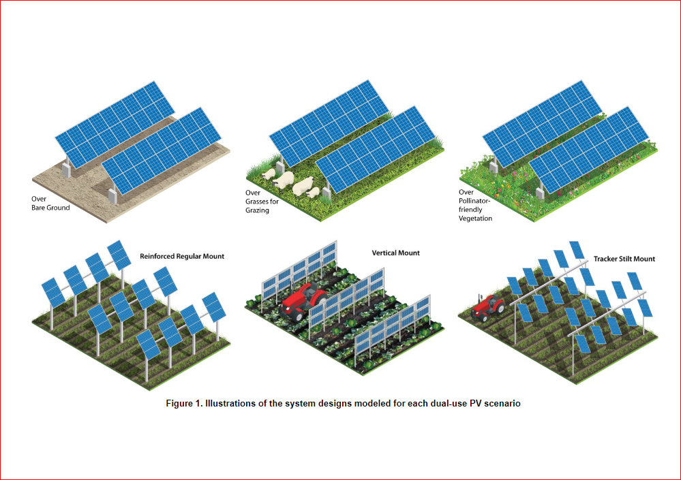
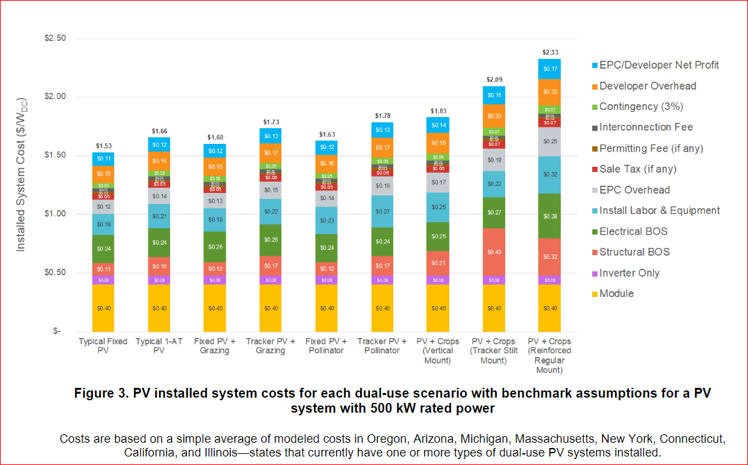
Cost ($/Watt)
solar panel cost | 0.4
inverter only | 0.08
Strructural Bos | 0.32
Electrical Bos | 0.38
Install labor and equipment | 0.32
EPC overhead | 0.25
Sale Tax | 0.07
interconnection fees | 0.02
contigency | 0.07
developer | 0.22
EPC developer net profit | 0.17
Total | 2.30

